all figures
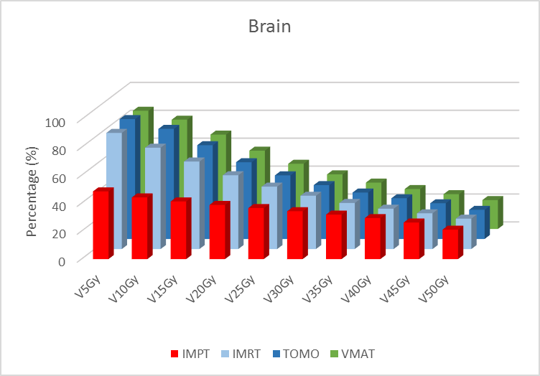
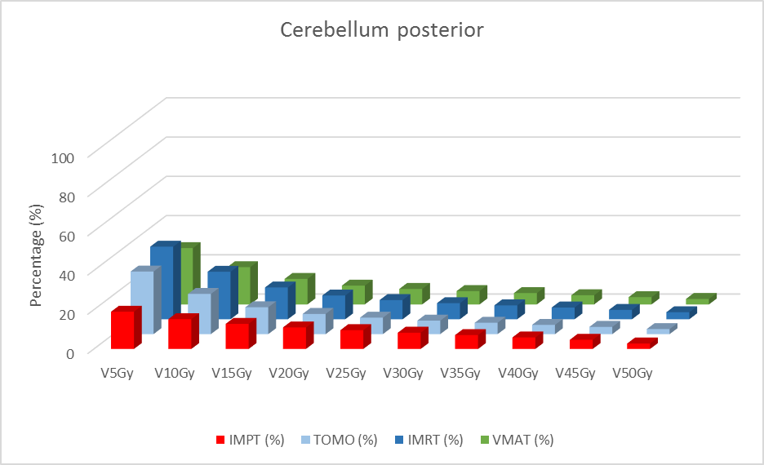

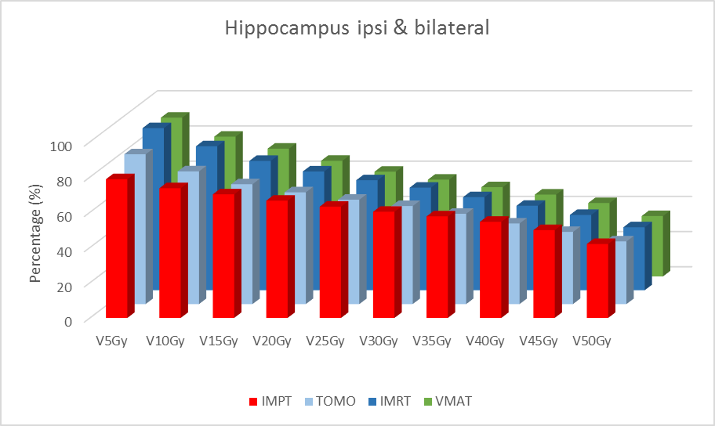
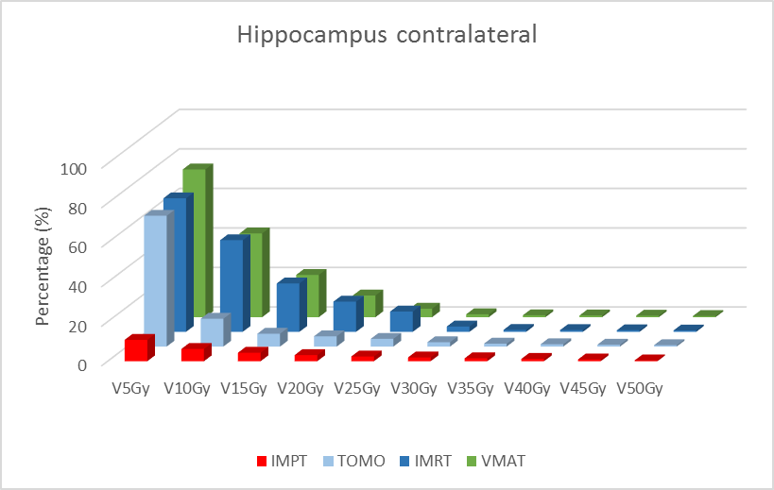

Vx brain
Brain
Brain | VMAT | IMRT | TOMO | IMPT
V5Gy | 84.7 | 83.2 | 85.9 | 48.5
V10Gy | 78.3 | 72.6 | 78.9 | 44.2
V15Gy | 67.6 | 62.7 | 67.2 | 41.3
V20Gy | 56.1 | 52.9 | 55 | 38.8
V25Gy | 46.7 | 44.7 | 45.6 | 36.6
V30Gy | 39.1 | 38.2 | 38.6 | 34.3
V35Gy | 33.2 | 33 | 33.3 | 31.9
V40Gy | 28.6 | 28.9 | 29.2 | 29.4
V45Gy | 24.9 | 25.6 | 25.6 | 26.2
V50Gy | 20.7 | 21.8 | 20.9 | 21.1

Vx HC
Hippocampus ipsi & bilateral
Hippocampus ipsi & bilateral | VMAT | IMRT | TOMO | IMPT
V5Gy | 90.2 | 92.1 | 85.1 | 78.8
V10Gy | 79.4 | 81.8 | 75.4 | 73.7
V15Gy | 72.6 | 73.5 | 68.1 | 70.2
V20Gy | 65.7 | 67.5 | 63.5 | 66.6
V25Gy | 59.5 | 62.5 | 59.3 | 63.2
V30Gy | 55 | 58.3 | 55.7 | 60.3
V35Gy | 50.7 | 52.9 | 51.3 | 57.7
V40Gy | 46.5 | 48 | 45.8 | 54.6
V45Gy | 41.7 | 42.8 | 41 | 49.9
V50Gy | 34.3 | 35.8 | 35.6 | 42

Hippocampus contralateral | VMAT | IMRT | TOMO | IMPT
V5Gy | 74.8 | 67.6 | 66.2 | 10.8
V10Gy | 42.4 | 46.4 | 14.1 | 6.2
Hippocampus contralateral
V15Gy | 21.4 | 24.5 | 6.5 | 4.3
V20Gy | 11 | 15.3 | 5.2 | 3.1
V25Gy | 4.3 | 10.3 | 3.9 | 2.4
V30Gy | 1.5 | 2.7 | 2.2 | 1.9
V35Gy | 1 | 1 | 1.5 | 1.5
V40Gy | 0.91 | 0.91 | 1.2 | 1.2
V45Gy | 0.8 | 0.83 | 0.95 | 0.9
V50Gy | 0.6 | 0.72 | 0.71 | 0.44

VX CB post
Cerebellum posterior
Cerebellum posterior | VMAT | IMRT | TOMO | IMPT
V5Gy | 28.7 | 37 | 31.9 | 19
V10Gy | 19 | 24.2 | 20.5 | 15.2
V15Gy | 13 | 16.2 | 13.7 | 12.8
V20Gy | 9.6 | 12.1 | 10.3 | 11
V25Gy | 7.9 | 9.8 | 8.4 | 9.6
V30Gy | 6.8 | 8.2 | 6.9 | 8.3
V35Gy | 5.8 | 7.1 | 5.8 | 7.1
V40Gy | 4.7 | 6 | 4.7 | 5.9
V45Gy | 3.7 | 4.8 | 3.7 | 4.7
V50Gy | 2.8 | 3.6 | 2.6 | 2.8

Vx CB ant
Cerebellum Anterior Dose
Cerebellum Anterior | VMAT | IMRT | TOMO | IMPT
V5Gy | 72.3 | 71.5 | 72.4 | 47.1
V10Gy | 65.7 | 65.1 | 65.7 | 40.8
V15Gy | 59.3 | 57.6 | 56.9 | 36.6
V20Gy | 49.7 | 46.1 | 45.7 | 33.1
V25Gy | 38.8 | 37.3 | 35.3 | 30.1
V30Gy | 29.5 | 30.3 | 27.5 | 27.2
V35Gy | 23.1 | 23.9 | 21.5 | 24.3
V40Gy | 18.7 | 19.3 | 17.3 | 21.3
V45Gy | 15.2 | 16 | 13.9 | 17.8
V50Gy | 11.1 | 12.2 | 10.4 | 12.7

